Cover
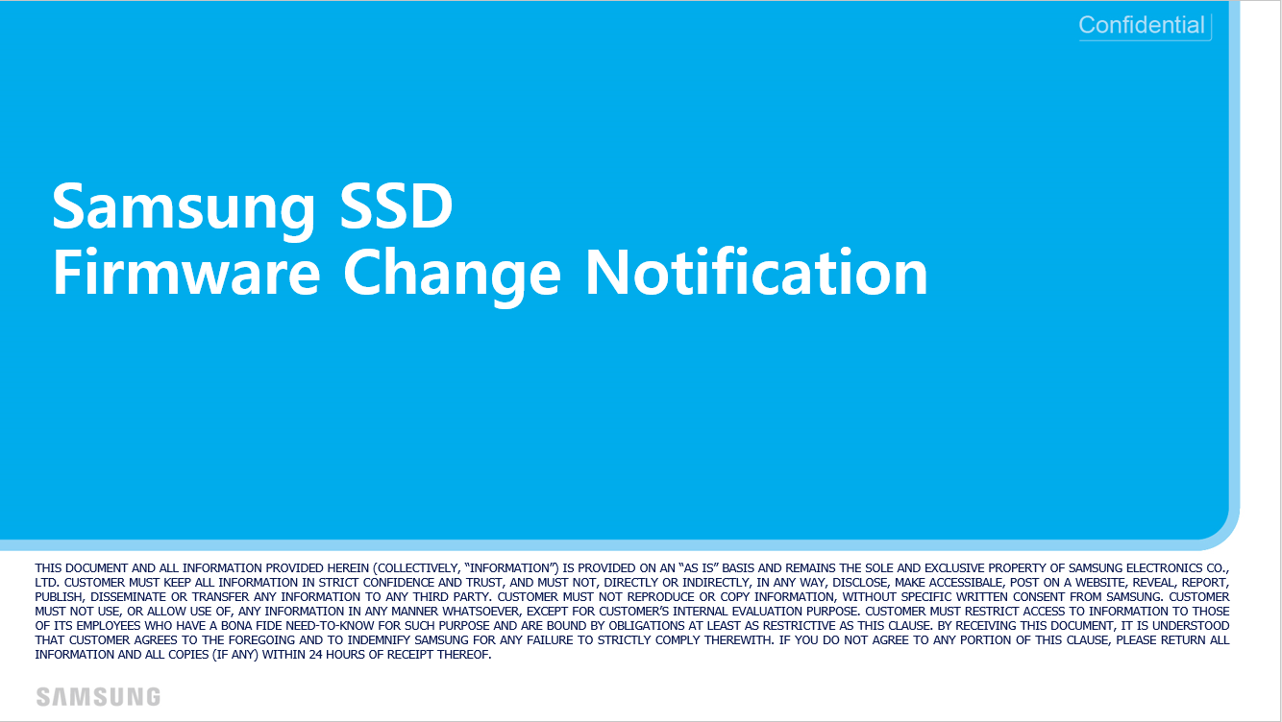

PM893 General Non-SED (03 bucket)

